Chi tiết
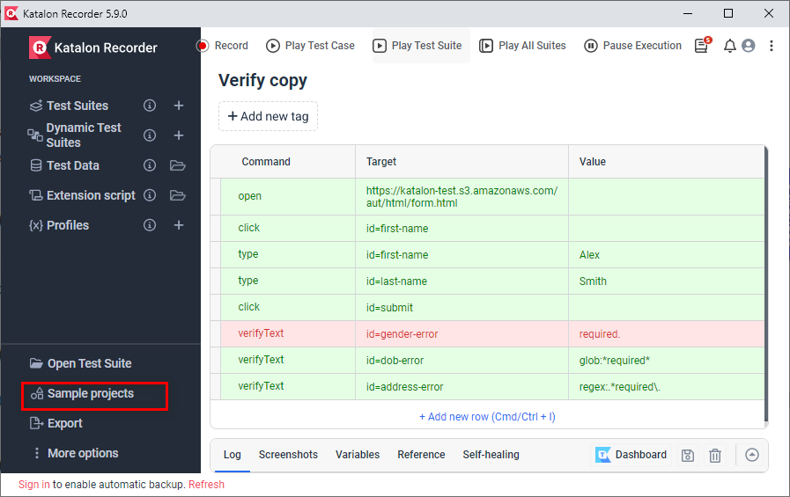
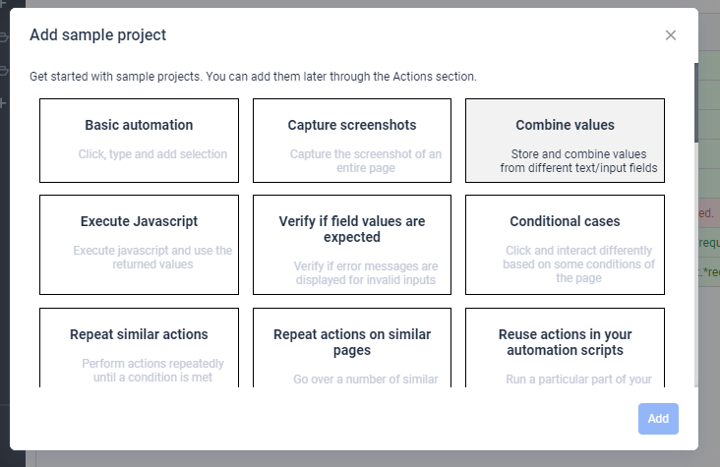
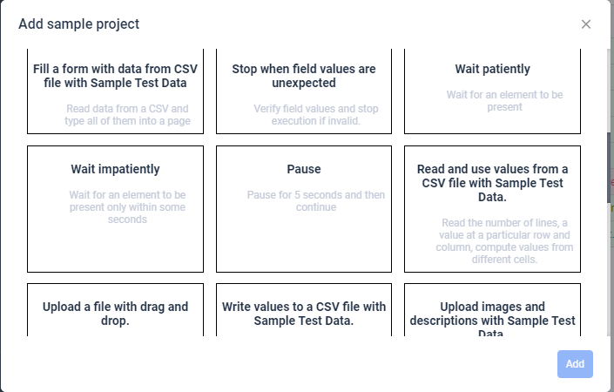
II. Chi tiết
 | 1. Download
 | https://chrome.google.com/webstore/detail/katalon-recorder-selenium/ljdobmomdgdljniojadhoplhkpialdid
 | 2. Open

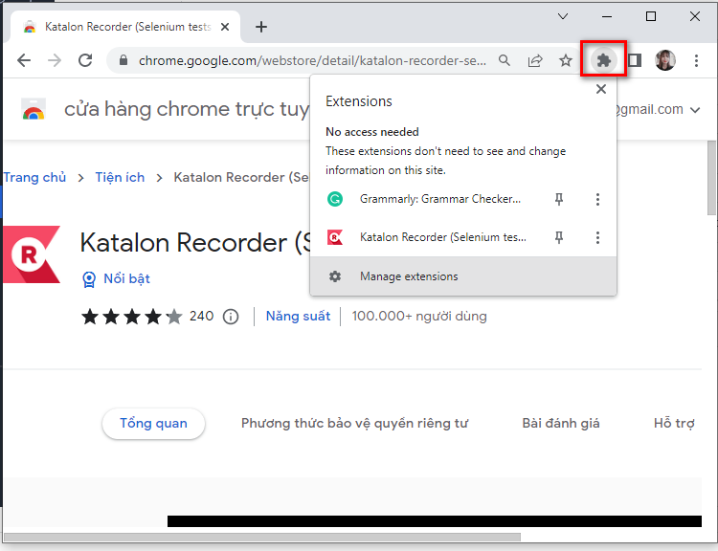

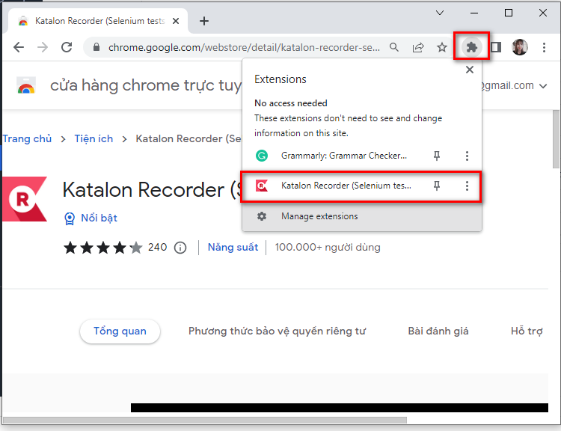

 | 3. Import
 | 3.1. Import Suite
 |  | Open Test Suite > Open KR Test Suite > select file có đuôi *.krecorder
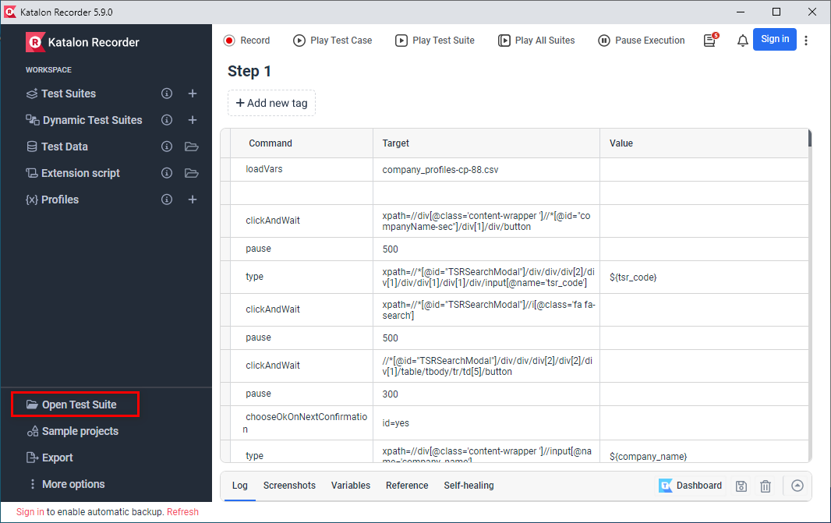

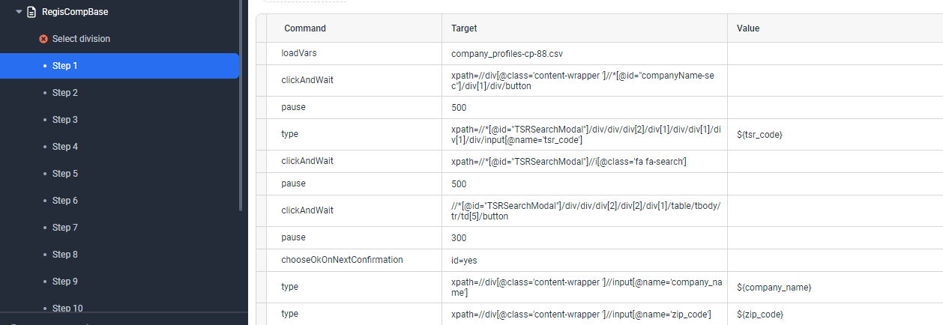

 | 3.2. Import Data

 |  | Import file csv có tên: | company_profiles-cp-88.csv | using for RegisCompBase

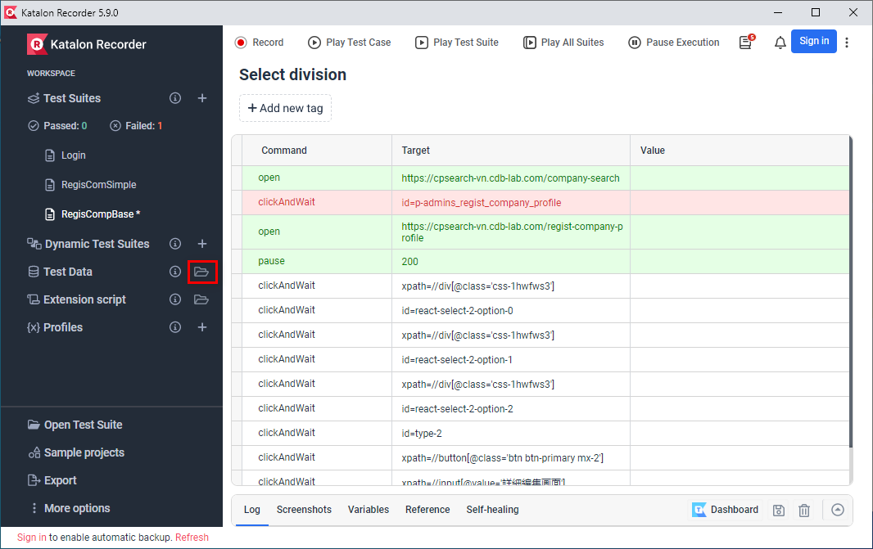

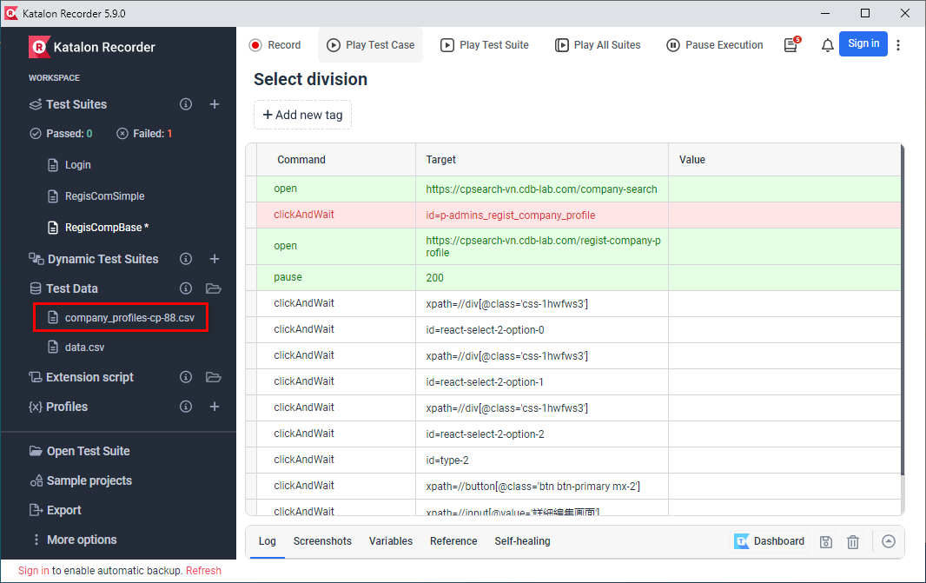

 | 4. Run
 |  | 1. Chạy nguyên Suite | Chạy hết các step trong suite đã chọn
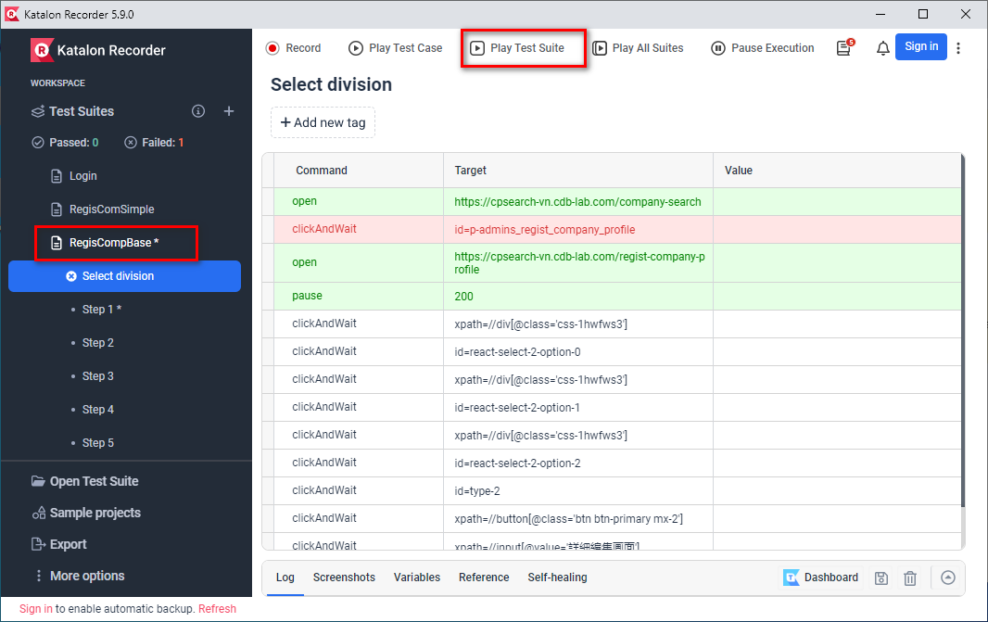

 |  | 2. Run từng step | Chỉ chạy step đã chọn

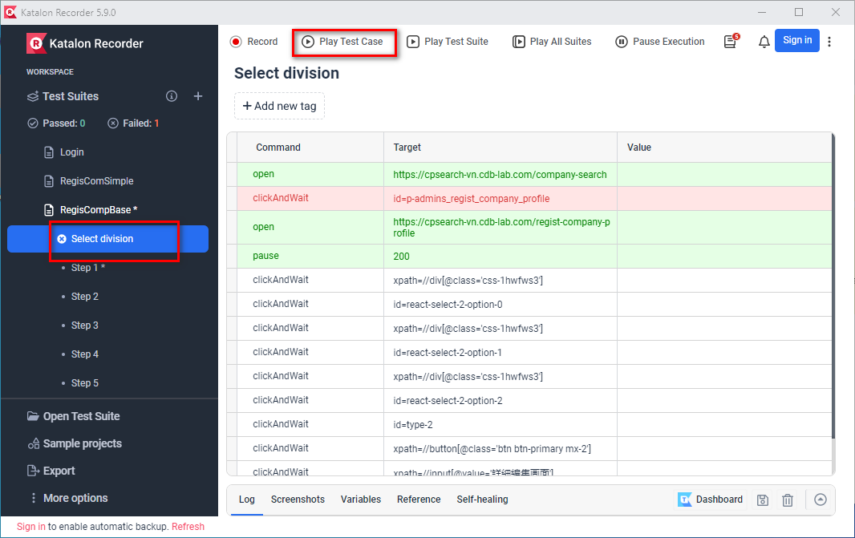

 | 5.Config
 |  | 1. Continue test execution

 | 5. Katalon Example

XPath
Syntax of XPath

Basic XPath

XPath = //tag_name[@Attribute_name = “Value of attribute”]

Ex: |  | xpath=//input[@name='uid']
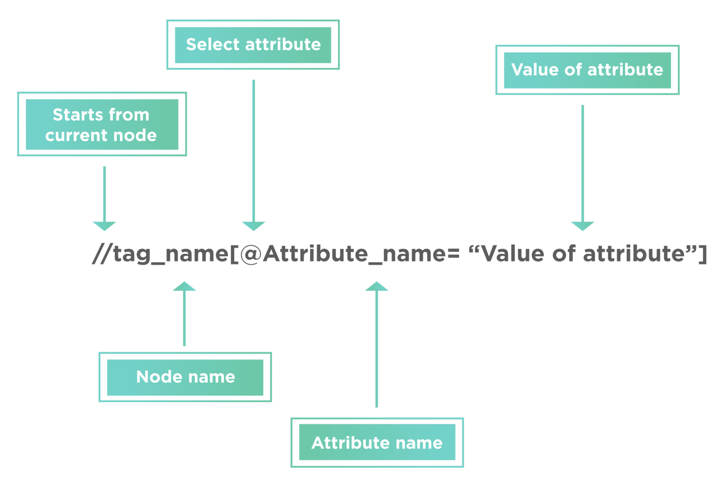

Absolute XPath

Ex: |  | xpath=/html/body/div[2]/div[1]/div/h4[1]/b/html[1]/body[1]/div[2]/div[1]/div[1]/h4[1]/b[1]

Relative Xpath

Ex: |  | xpath=//div[@class='featured-box cloumnsize1']//h4[1]//b[1]
 |  | xpath=//*[@class='featured-box cloumnsize1']//div[@class='barone']/input

Syntax Element |  |  | Details |  | Example | Example Details
Single slash "/" |  |  | It selects the node from the root. In other words, if you want to select the first available node, this expression is used. |  | /html | It will look for the HTML element at the start of the document.
Double slash "//" |  |  | It selects any element in the DOM that matches the selection. Additionally, it doesn't have to be the exact next node and can be present anywhere in the DOM. |  | //input | It will select the input node present anywhere in the DOM.
Address sign "@" |  |  | It selects a particular attribute of the node |  | //@text | It will select all the elements which have text attribute.
Dot "." |  |  | It selects the current node. |  | //h3/. | It will give the currently selected node, i.e., h3.
Double dot ".." |  |  | It selects the parent of the current node. |  | //div/input/.. | It will select the parent of the current node. The current node is input so that it will select the parent, i.e., "div".
Asterisk ""* |  |  | It selects any element present in the node |  | //div/* | This matches with any of the child nodes of the "div".
Address and Asterisk "@"* |  |  | It selects any attribute of the given node. |  | //div[@*] | It matches any of the div nodes that contain at least one attribute of any type.
Pipe "|" |  |  | This expression is used to select a different path. |  | //div/h5 | //div/form

Not Xpath

Ex:
 | id=first-name
 | name=username
 | class=username
 | css=#first-name |  |  | css=.grid4-inner-container:nth-child(2)

Assert&Verify
 | Assertions (Hard Assertions)

 | Asserts are validations or checkpoints for an application.
 | Asserts in Selenium are used to validate the test cases. Assertions state confidently that application behaviour is working as expected.
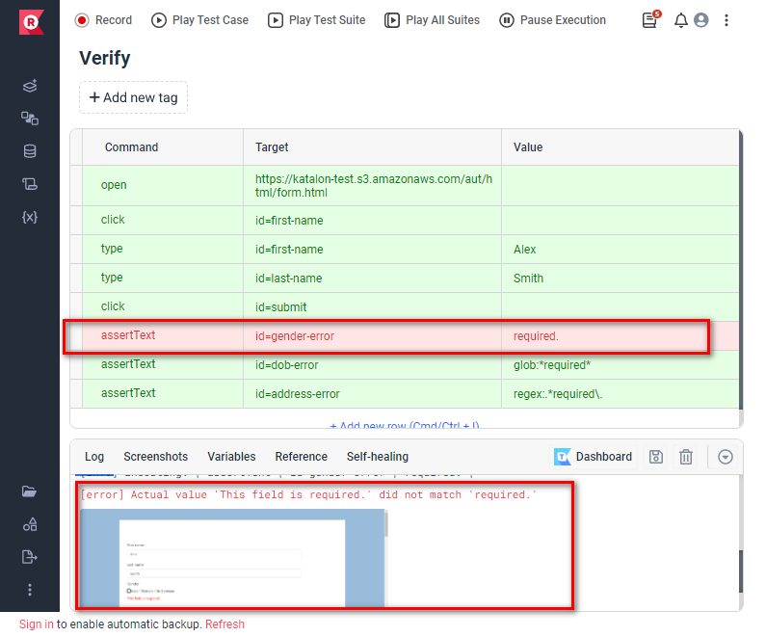
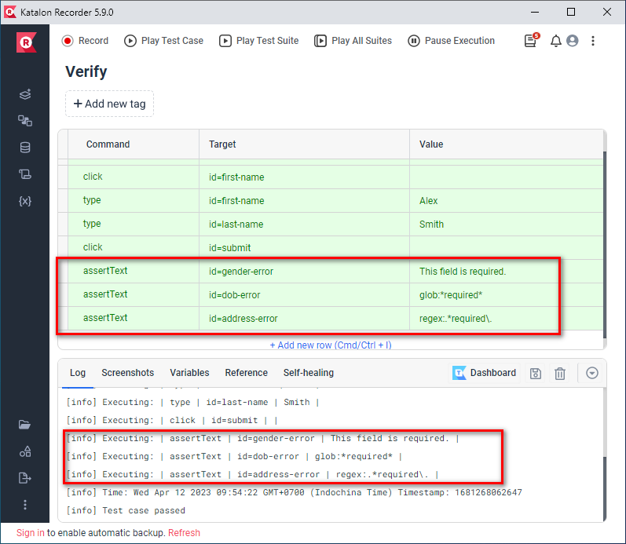

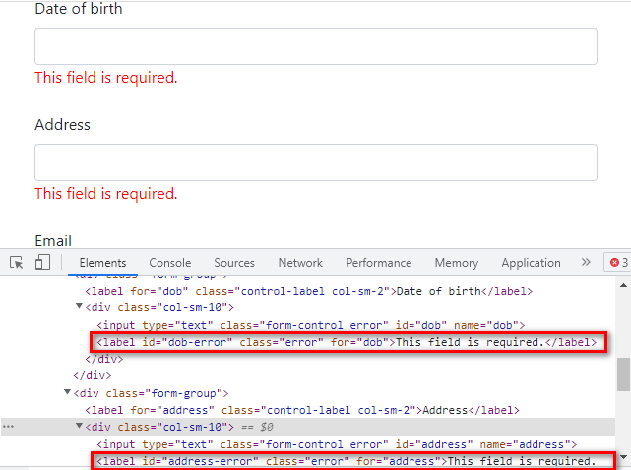

Command |  | Generated from |  | Arguments |  | Explan
assertEval |  | getEval(script) |  | assertEval(script, pattern) |  | *script - the JavaScript snippet to run. Returns: the results of evaluating the snippet
assertChecked |  | isChecked(locator) |  | assertChecked(locator) |  | *locator - an element locator pointing to a checkbox or radio button . Returns: true if the checkbox is checked, false otherwise
assertSelectedValue |  | getSelectedValue(selectLocator) |  | assertSelectedValue(selectLocator, pattern) |  | *selectLocator - an element locator identifying a drop-down menu . Returns: the selected option value in the specified select drop-down
assertSelectedIndex |  | getSelectedIndex(selectLocator) |  | assertSelectedIndex(selectLocator, pattern) |  | *selectLocator - an element locator identifying a drop-down menu . Returns: the selected option index in the specified select drop-down
assertSelectedId |  | getSelectedId(selectLocator) |  | assertSelectedId(selectLocator, pattern) |  | *selectLocator - an element locator identifying a drop-down menu . Returns: the selected option ID in the specified select drop-down
assertXpathCount |  | getXpathCount(xpath) |  | assertXpathCount(xpath, pattern) |  | *xpath - the xpath expression to evaluate. do NOT wrap this expression in a 'count()' function; Returns: the number of nodes that match the specif
assertAttribute |  | getAttribute(attributeLocator) |  | assertAttribute(attributeLocator, pattern) |  | *attributeLocator - an element locator followed by an @ sign and then the name of the attribute, e.g. "foo@bar" . Returns: the value of the specified attr
assertText |  | getText(locator) |  | assertText(locator, pattern) |  | *locator - an element locator . Returns: the text of the element
assertValue |  | getValue(locator) |  | assertValue(locator, pattern) |  | *locator - an element locator. Returns: the element value, or "on/off" for checkbox/radio elements

 | Verify (Soft Assertions)

 | In a hard assertion, when the assertion fails, it terminates or aborts the test.
 | If the tester does not want to terminate the script they cannot use hard assertions. To overcome this, one can use soft assertions.
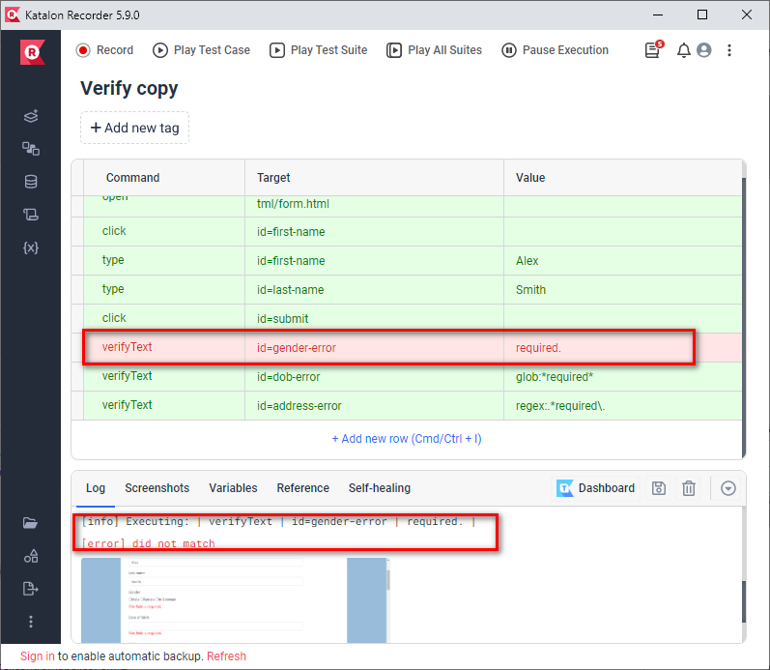
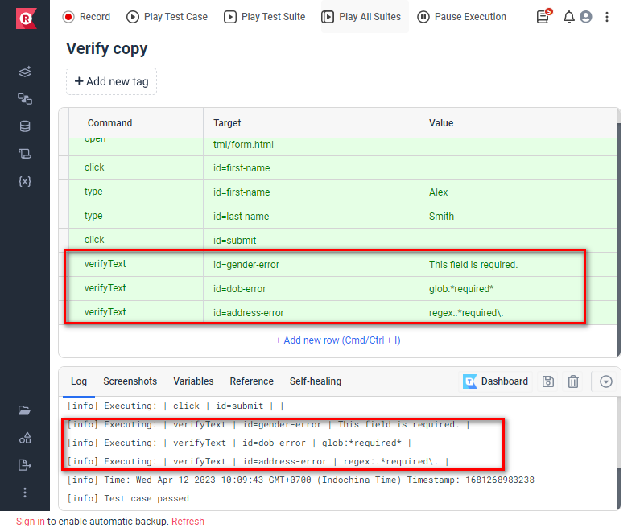

 | Command |  | Generated from |  | Arguments |  | Explan
 | verifyEval |  | getEval(script) |  | verifyEval(script, pattern) |  | *script - the JavaScript snippet to run . Returns: the results of evaluating the snippet
 | verifyChecked |  | isChecked(locator) |  | verifyChecked(locator) |  | *locator - an element locator pointing to a checkbox or radio button . Returns: true if the checkbox is checked, false otherwise
 | verifySelectedValue |  | getSelectedValue(selectLocator) |  | verifySelectedValue(selectLocator, pattern) |  | *selectLocator - an element locator identifying a drop-down menu . Returns: the selected option value in the specified select drop-down
 | verifySelectedIndex |  | getSelectedIndex(selectLocator) |  | verifySelectedIndex(selectLocator, pattern) |  | *selectLocator - an element locator identifying a drop-down menu . Returns: the selected option index in the specified select drop-down
 | verifySelectedId |  | getSelectedId(selectLocator) |  | verifySelectedId(selectLocator, pattern) |  | *selectLocator - an element locator identifying a drop-down menu . Returns: the selected option ID in the specified select drop-down
 | verifyXpathCount |  | getXpathCount(xpath) |  | verifyXpathCount(xpath, pattern) |  | *xpath - the xpath expression to evaluate. do NOT wrap this expression in a 'count()' function; Returns: the number of nodes that match the specif
 | verifyAttribute |  | getAttribute(attributeLocator) |  | verifyAttribute(attributeLocator, pattern) |  | *attributeLocator - an element locator followed by an @ sign and then the name of the attribute, e.g. "foo@bar" . Returns: the value of the specified a
 | verifyText |  | getText(locator) |  | verifyText(locator, pattern) |  | *locator - an element locator . Returns: the text of the element
 | verifyValue |  | getValue(locator) |  | verifyValue(locator, pattern) |  | *locator - an element locator. Returns: the element value, or "on/off" for checkbox/radio elements

If....else if....else
